Specialist Module
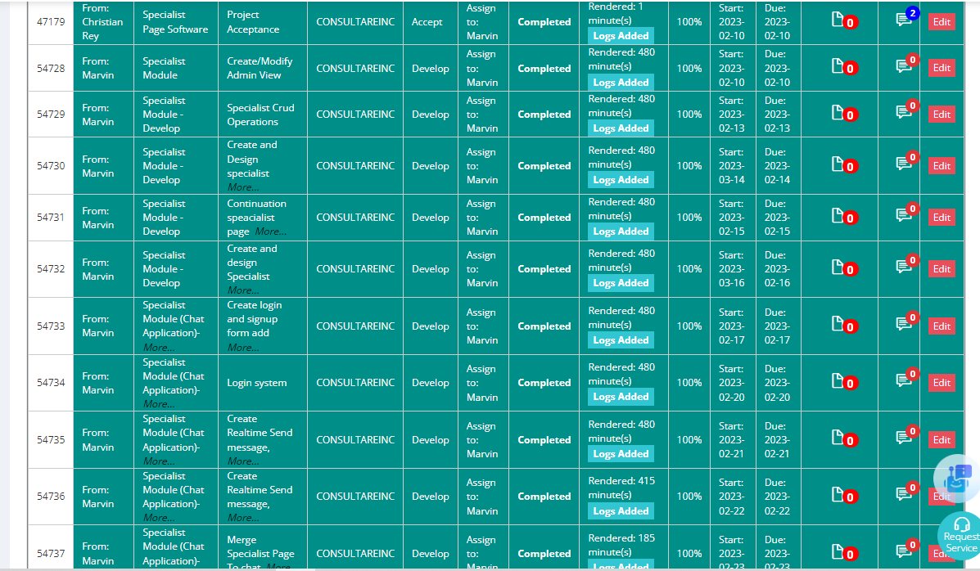
MARVIN BAYLON
IIQ/CIG
Date | Task Description | No. of Minutes
2023-02-10 | Create/Modify Admin View | 480
2023-02-13 | Specialist Crud Operations | 480
2023-02-14 | Create and Design specialist landing page | 480
2023-02-15 | Continuation speacialist page design | 480
2023-02-16 | Create and design Specialist Portfolio page | 480
2023-02-17 | Create login and signup form add users, create Scratch Realtime display users | 480
2023-02-20 | Login system | 480
2023-02-21 | DCreate Realtime Send message, Display message, reply function Realtime | 480
2023-02-22 | Create Realtime Send message, Display message, reply function Realtime (Continuation) | 415
2023-02-23 | Merge Specialist Page To chat application | 185
 | Create Chat Room, display users on the left side, add real-time search, real-time message count | 355

 | Total minutes | 4795
 | Total hours | 79.916666667
 | Rate per hour | $2.50
 | TOTAL PAY | $199.79

Speak Up
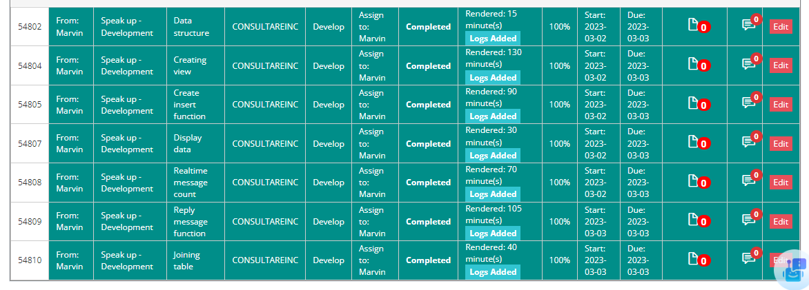
MARVIN BAYLON
IIQ/CIG
Date | Task Description | No. of Minutes
2023-02-03 | Data structure | 15
 | Creating view | 130
 | Create insert function | 90
 | Display data | 30
 | Realtime message count | 70
2023-03-03 | Reply message function | 105
 | Joining table | 40

 | Total minutes | 480
 | Total hours | 8
 | Rate per hour | $2.50
 | TOTAL PAY | $20.00

